Sheet1
Cpk | 1.50
n | 20
alpha | 0.05
Confidence | 0.95
Z | 1.960
Upper | 2.00
Lower | 1.00
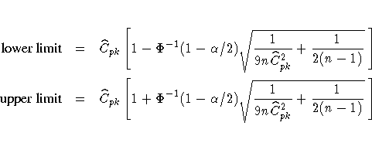

Bissell (1990) derived approximate two-sided 95% confidence limits for C_{pk} by assuming that the distribution of is normal. Using Bissell's approach, 100 % lower and upper confidence limits can be computed as above,
where Φ denotes the cumulative standard normal distribution function. Kushler and Hurley (1992) concluded that Bissell's method gives reasonably accurate results.

